Bug Report
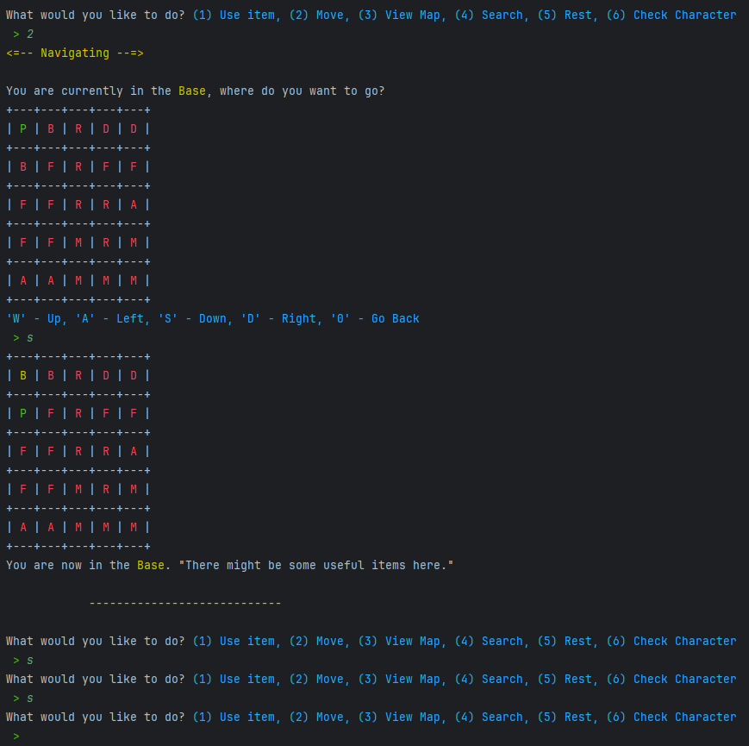
Category | Label | Value
Bug ID | ID Number | #1
 | Title | Map - doesn’t tell end of map
 | Reporter | Dutt
 | Submit date | 2025-05-27
Bug overview | Summary | when you try to move arround it doesn't tell you when you have reached the end point and cannot go any further.
 | URL
 | Screenshot | To the right
Environment | Platform | Windows
 | Operating System | Version 24H2 (OS Build 26100.4061)
 | IDE | Intellij
Bug details | Steps to reproduce | 1. finish character creation 2. Select move, enter 2 to move 3. go down by entering s twice 4. try a third time to go down
 | Expected result | go into forest
 | Actual result | get stuck in base
Bug tracking | Severity | minor
 | Assigned to | Dutt
 | Priority | medium
Notes | Notes | /

